Parameters
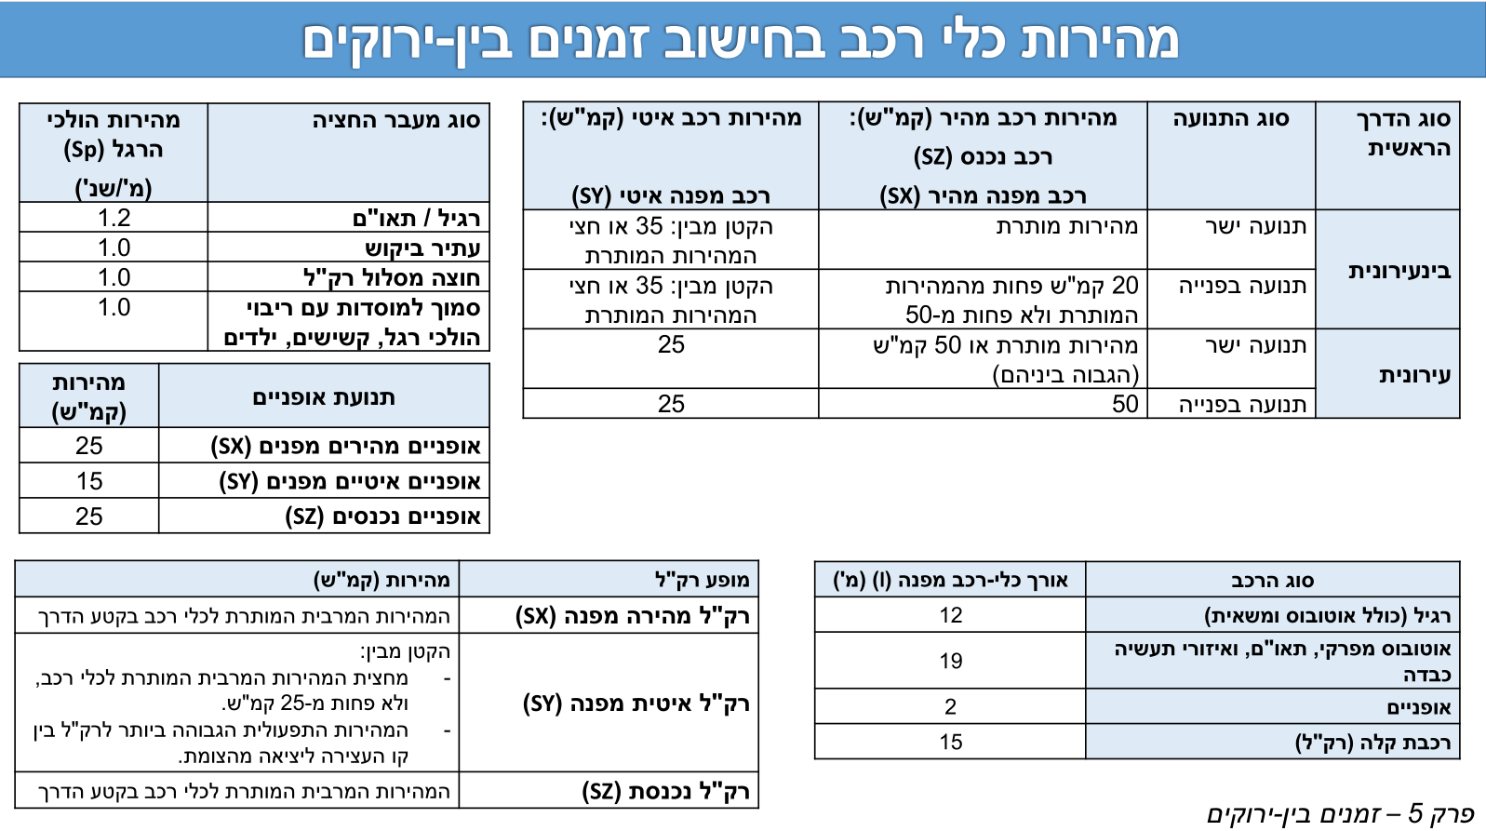
1 | 2 | 3 | 4 | 5 | 6
Turn | interurban (1|0) | Clearing Speed - Fast [kph] | Clearing Speed - Slow [kph] | Vehicle length (m) | Addition to Inbar distances |  | Value
N-L |  | 50 | 25 | 12 |  | מהירות ה"ר [מטר לשניה] | 1.2
N-T | 0 | 50 | 25 | 12 |  | זמן תגובה [שנ'] | 1
N-R |  | 50 | 25 | 12 |  | תאוטת בלימה [מ'\שנ'^2] | 3.5
S-L |  | 50 | 25 | 12
S-T | 0 | 50 | 25 | 12 |  | Are these intergren measurments for INBAR? (y/n) | n
S-R |  | 50 | 25 | 12 |  | INBAR default Vehicle Length (m) | 12
E-L |  | 50 | 25 | 12
E-T | 0 | 50 | 25 | 12
E-R |  | 50 | 25 | 12
W-L |  | 50 | 25 | 12
W-T | 0 | 50 | 25 | 12
W-R |  | 50 | 25 | 12

 |  |  |  |  |  |  |  | Inter-urban/Urban | Thru Fast Speed | Thru Slow Speed | Turn fast speed | Turn slow speed | Blinking Green
 |  |  |  |  |  |  |  | Inter-urban | 50 | 25 | 50 | 25 | NO
 |  |  |  |  |  |  |  | Inter-urban | 60 | 30 | 50 | 25 | YES
 |  |  |  |  |  |  |  | Inter-urban | 70 | 35 | 50 | 25 | YES
 |  |  |  |  |  |  |  | Inter-urban | 80 | 35 | 60 | 30 | YES
 |  |  |  |  |  |  |  | Inter-urban | 90 | 35 | 70 | 35 | YES
 |  |  |  |  |  |  |  | Urban | 50 | 25 | 50 | 25 | NO
 |  |  |  |  |  |  |  | Urban | 60 | 25 | 50 | 25 | YES
 |  |  |  |  |  |  |  | Urban | 70 | 25 | 50 | 25 | YES

Pedestrian Xing
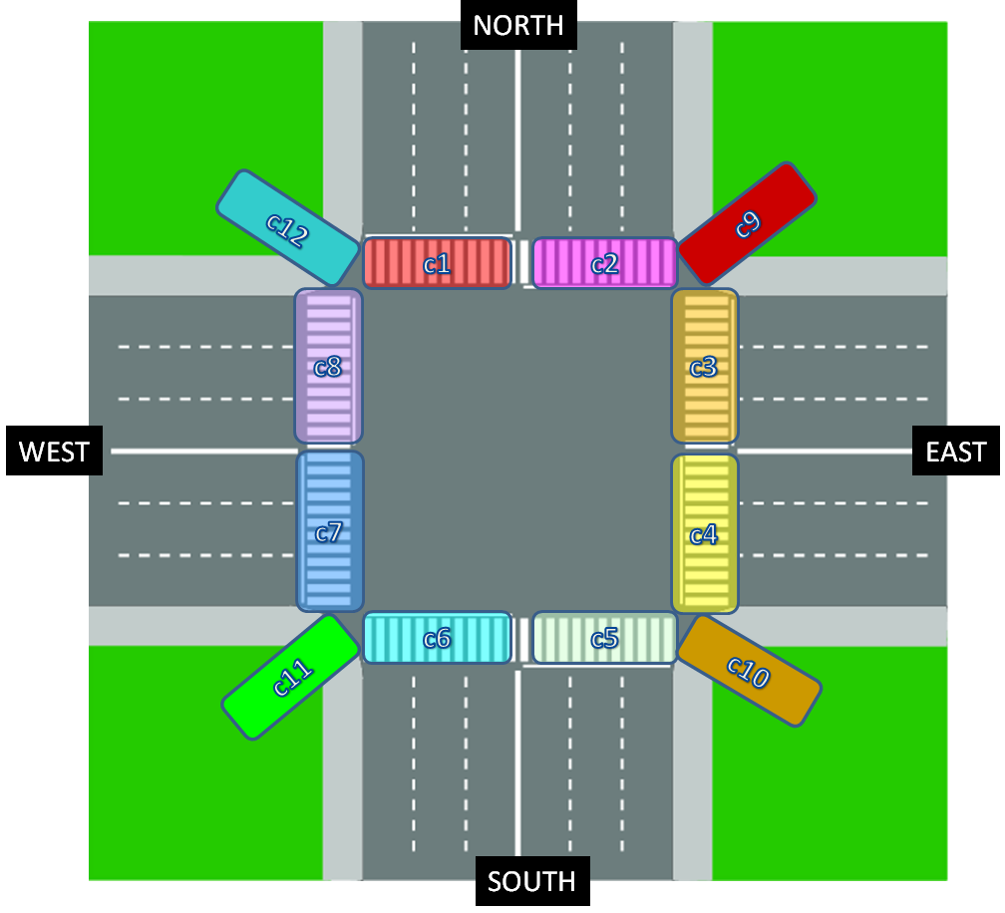
 | DON'T DELETE ROWS, LEAVE BLANK IF DOESN'T EXIST ↓↓Enter SG names here ↓↓
pedestrian crossing | SG name | length (m)
c1
c2 | a | 8.35
c3 | b | 7.25
c4 | c | 4.6
c5 | d | 7.25
c6
c7
c8
c9
c10
c11
c12

